4
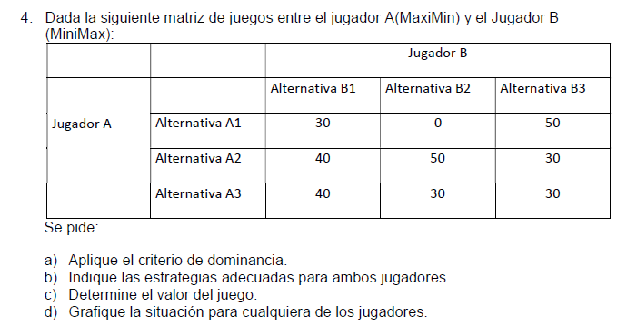
MAX V
Subject to
30p1 + 40p2 - V >= 0
0p1 + 50p2 - V >= 0
50p1 + 30p2 - V >= 0
p1 + p2 = 1
p1 >= 0
p2 >= 0
END
VALUE 35.71429
P1 0.285714
P2 0.714286
MIN V
Subject to
30p1 + 0p2 + 50p3 - V <= 0
40p1 + 50p2 + 30p3 - V <= 0
p1 + p2 + p3 = 1
p1 >= 0
p2 >= 0
p3 >= 0
END
VALUE 35.71429
P1 0.000000
P2 0.285714
P3 0.714286

 |  | Jugador B
 |  | B1 | B2 | B3
Jugador A | A1 | 30 | 0 | 50 | 0 | P1
 | A2 | 40 | 50 | 30 | 30 | P2
 | A3 | 40 | 30 | 30
 |  | 40 | 50 | 50
 |  | Q1 | Q2 | Q3

